Categories and service types
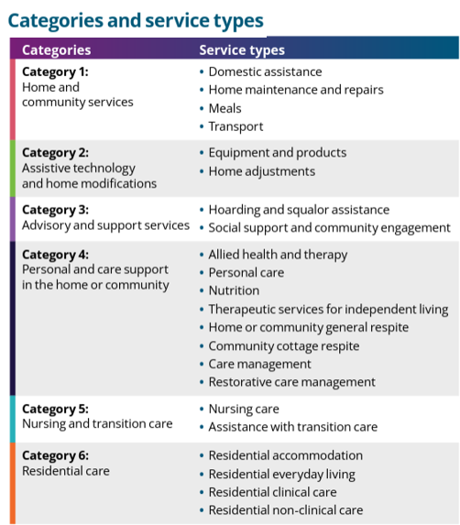
 | Return to contents

Provider registration - Sector snapshot from 1 November 2025

How to calculate rates
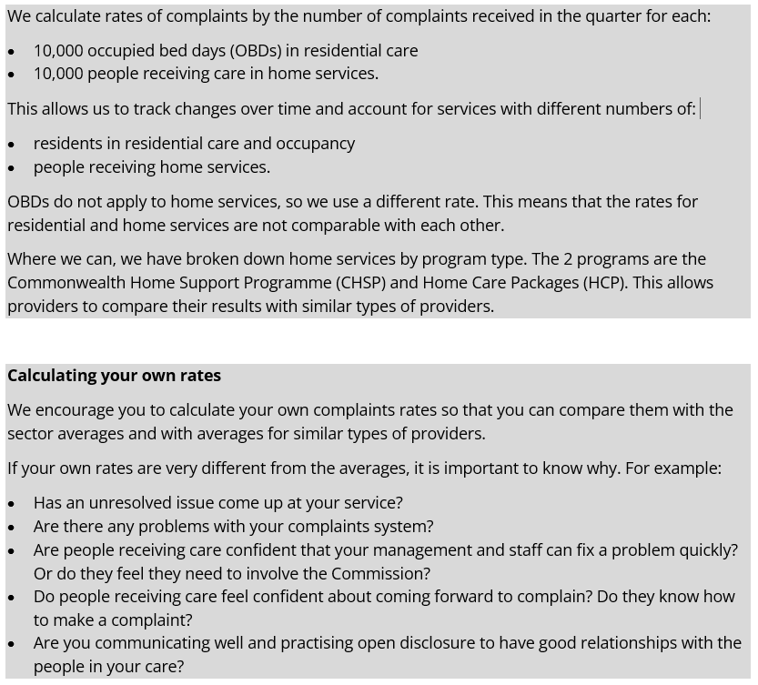
Return to contents

