Cover
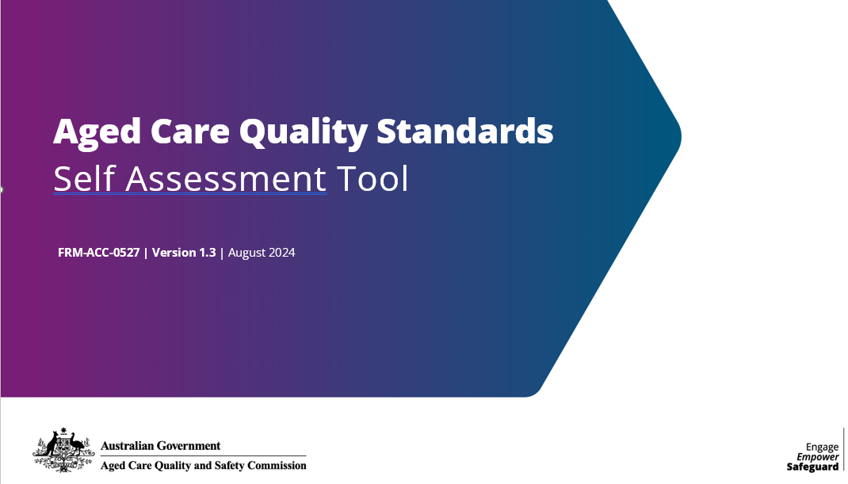

Service Name |  | Commission ID or RACS number:
Enter service name |  | Enter Commission ID / RACS number

Contact Person |  | Date Completed
Enter Full Contact Name E.g. John Smith |  | DD-MMM-YYYY e.g. 01 Jan 2019

Enter Contact Position Title. E.g. Principal

Contact details (telephone & email)

 | Approved Provider / Provider of Service | Enter the provider name

Person completing this self assessment |  | Enter Your Full Name

 |  | Enter Your Position Title

 |  | Enter Your Telephone

 |  | Enter Your Email

Others involved in completing this self asessment |  | Enter Contact Name(s) and Position(s). E.g. John Smith, Principal

 | Service Location | Enter full location address. E.g. 123 Care Street SYDNEY NSW 2000

 | Services provided |  | Mainstream aged care residential
 |  |  | Dementia aged care residential
 |  |  | Mental health aged care residential
 |  |  | Young person residential
 |  |  | NATSIFlexi
 |  |  | CHSP
 |  |  | Home care
 |  |  | STRC
 |  | Other | Enter any other services not listed

Brief outline of governance arrangements

Continue
Total estimated time taken to complete this form. Includes time taken to collect any information.

HRS | 0
MINS | 0

